GPU 性能
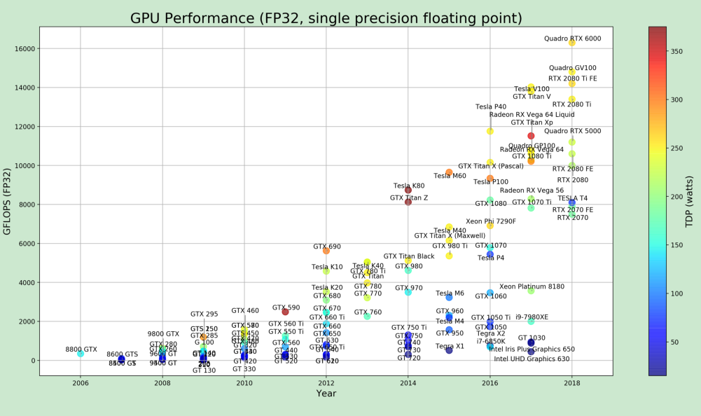

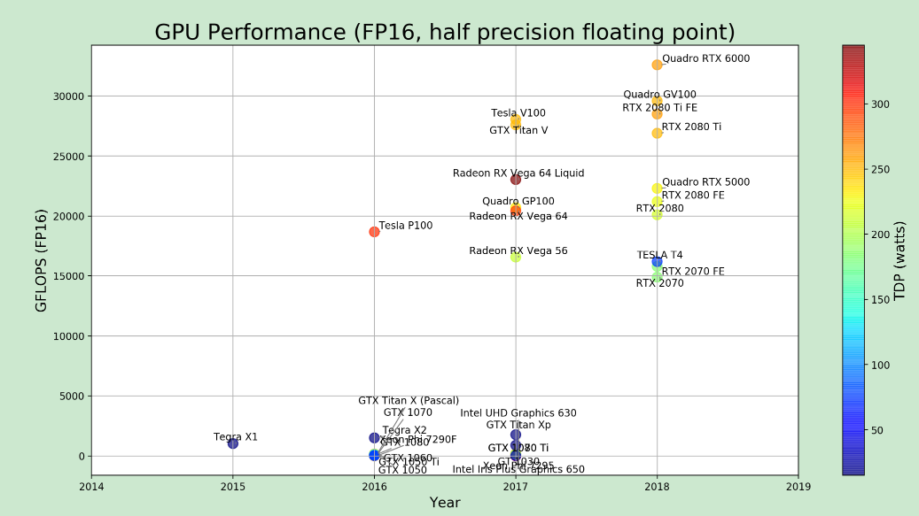

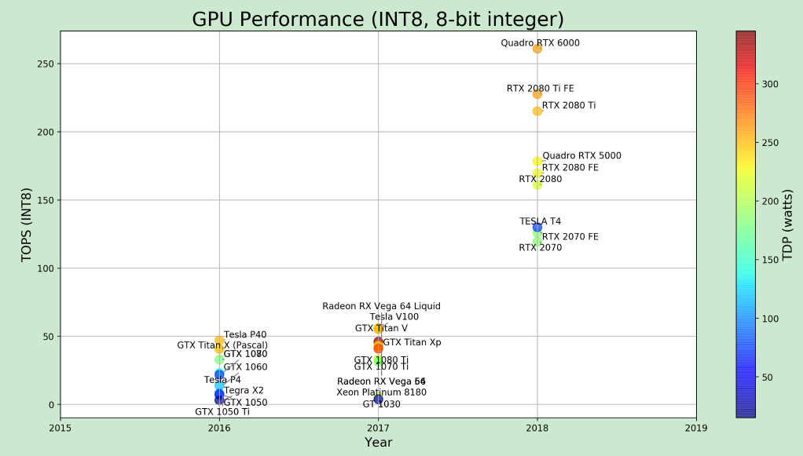

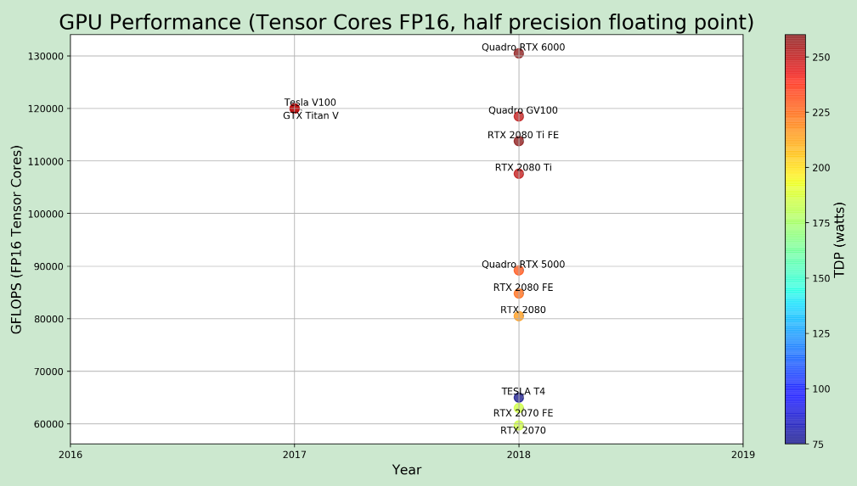

Ref: https://blog.inten.to/hardware-for-deep-learning-part-3-gpu-8906c1644664

对比
GTX 1080Ti,RTX 2080Ti, TITAN V对比 | GTX 1080,GTX 1080TI,TiTan V对比

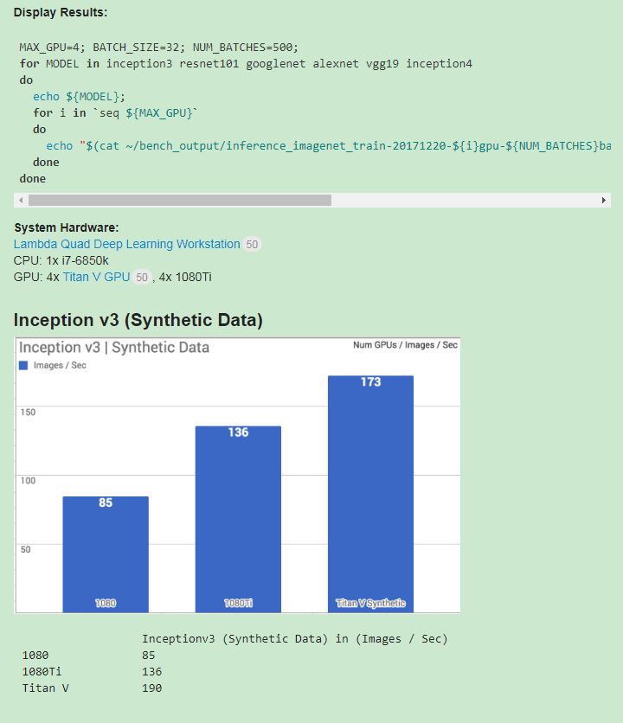
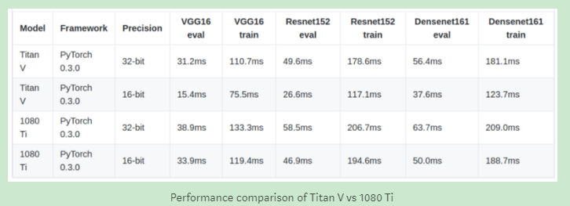

https://medium.com/@u39kun/titan-v-vs-1080-ti-head-to-head-battle-of-the-best-desktop-gpus-on-cnns-d55a19866b7c
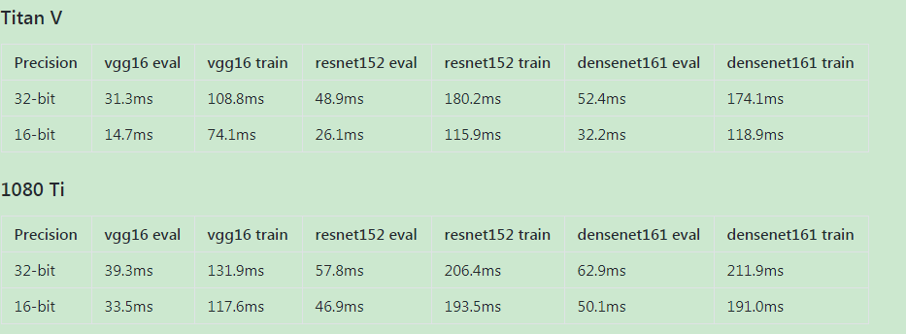

RTX 2080

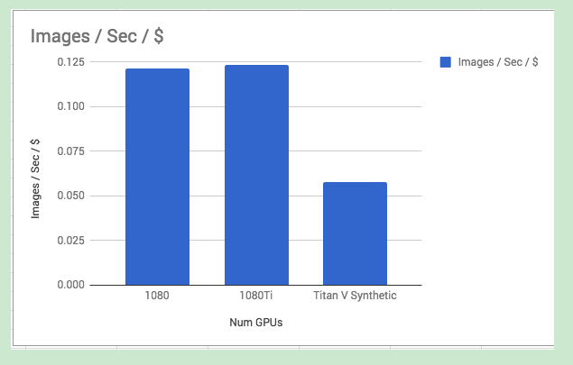
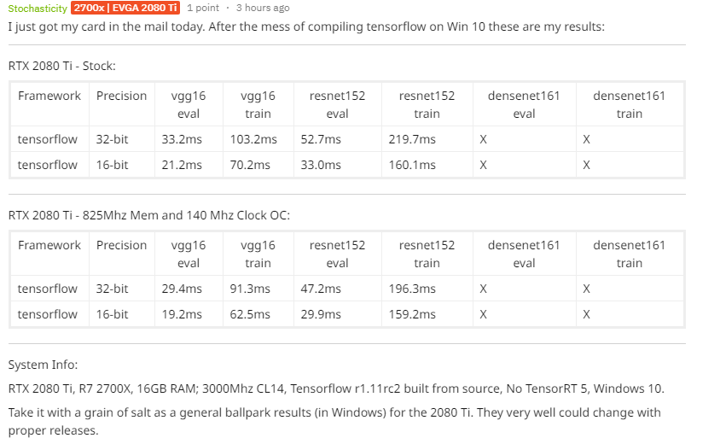

https://deeptalk.lambdalabs.com/t/benchmarking-the-titan-v-volta-gpu-with-tensorflow/108
https://www.reddit.com/r/nvidia/comments/9hca2v/deep_learning_benchmarks_2080_ti/
https://github.com/u39kun/deep-learning-benchmark
https://www.reddit.com/r/nvidia/comments/9ikas2/rtx_2080_machine_learning_performance/

Titan V vs RTX 2080 Ti
 | VGG 16 train | VGG 16 eval | ResNet152 train | ResNet152 eval | 备注
RTX 2080Ti | 78.1 | 23.6 | 178 | 37.5 | 天
Titan V | 82.5 | 16.4 | 52.7 | 29.1 | 天

